1. Title Page
[Project Name]

Project Name:
Date:
Analyst Name: Anh Nguyen

Contents:
Population Flow
Consistency checks
Wrangling steps
Column derivations
Visualizations
Recommendations

2. Population Flow
Title page

Population flow

Exclusion flag
Condition: max_order <
Obervations to be removed:
Final total count of order_products_all:

32434489
49693
206209
3421083

3421083
32434489
49677
206209

Orders_products_combined
Orders_products_merged
Orders_products_all

Total:
Total:
32434489
32404859
Total:
32404859

1.) The grey boxes in the first row of the population flow represent the original data sets as they were when you downloaded them. In the Total fields you need to add the count of the rows when you imported the data set into Jupyter.
2.) The second row of boxes (coloured) represents the data sets after you manipulated them, e.g., removed missing values and duplicates. In the Total fields you need to add the count of the rows after conducting these operations. This offers a visual oveview of how the data flows throughout the data consistency checks.
3.) The third row, where also the arrows are coloured, represents the merges you performed between the datasets. In the Total fields you need to add the count of the rows in the merged datasets, so that you end up with the final dataset (in the red box). Keep in mind the final dataset should be without exclusions (based on the exclusion flag).

3. Consistency checks
 |  |  |  | Title page
Consistency checks

Dataset | Missing values | Missing values treatment | Duplicates
orders | days_since prior_order' (206209) | flagged as first_order | none
products | 16 missing 'product_name' | created subset & removed them | 5 duplicate rows
orders_products_prior | none | changed to NaN | none
customers | none | changed to NaN | none

4. Wrangling steps
 |  |  |  |  | Title page
Wrangling steps

dataframe | Columns dropped | Columns renamed | Columns' type changed | Comment/Reason
orders | eval_set |  |  | dropped/ irrelevant
 |  | order_dow |  | renamed to orders_day_of_week/ unintuitive name
 |  |  | order_id | changed datatype Integer to string/ no statistical calculations needed for indentifier
 |  |  | user_id | changed datatype Integer to string/ no statistical calculations needed for indentifier
department |  | index |  | new header added/ 'index 0' looked odd
customers |  | FIRST_NAME |  | changed to first_name / consistency
 |  | surnam |  | changed to last_name / consistency
 |  | STATE |  | changed to state / consistency
 |  | date_joined |  | changed to date_joined / consistency
 |  | fam_status |  | changed to family_status / consistency
 |  | n_dependants |  | changed to dependents_count / consistency
 |  | UDER ID |  | changed to user_id / consistency
 | _merge |  |  | dropped/ irrelevant

5. Column derivations
 |  |  |  | Title page

Column derivations and aggregations

In this tab you should add tables below that the frequences of flags/label variables that you produced after deriving them. NB: don't do this for continuous variables, only for flags.
Dataset | New column | Column/s it was derived from | Conditions
df_ords_prods_merge | price_range_loc | prices | if price > 15, then 'High-range product'
 |  |  | if price <= 15 & if price > 5, then 'Mid-range product'
 |  |  | if price <= 5, then 'Low-range product'
df_ords_prods_merge | busiest_day | orders_day_of_week | if value = 0 then 'Busiest day'
 |  |  | if value = 4 then 'Least busy'
 |  |  | else 'Regularly busy'
df_ords_prods_merge | busiest_days | orders_day_of_week | if value = 0 or if value = 1, then 'Busiest days'
 |  |  | if value = 3 or if value = 4, then 'Slowest days'
 |  |  | else 'Regularly busy'
df_ords_prods_merge | busiest_hour_of_day | order_hour_of_day | if value in [10,11,14,15,13,12,16,9] then 'Most orders'
 |  |  | if value in [17,8,18,19,20,7,21,22] then 'Average orders'
 |  |  | else 'Fewest orders'
ords_prods_derived | max_order | number_orders | maximum number of orders done by each user
ords_prods_derived | loyalty_flag | max_order | if max_order > 40 then 'Loyal customer'
 |  |  | if max_order <= 40 and if max order > 10 then 'Regular customer'
 |  |  | if max_order <= 10 then 'New customer'
ords_prods_derived | avg_price | prices | average itemprice for each user
ords_prods_derived | spending_flag | average_spend | if avg_price < 10 then 'Low spender'
 |  |  | if avg_price >= 10 then 'High spender'
ords_prods_derived | median_days_since_last_order | user_id, days_since_last_order | median number of days since each user's last order
ords_prods_derived | frequency_flag | median_days_since_last_order | if median_days_since_prior_order > 20 then 'Non_frequent_customer'
 |  |  | if median_days_since_prior_order > 10 & median_days_since_prior_order <= 20 then 'Regular customer'
 |  |  | if median_days_since_prior_order < = 10 then 'Frequent customer'
ords_prods_cust_merge | region | state | Northeast = Maine, New Hampshire, Vermont, Massachusetts, Rhode Island, Connecticut, New York, New Jersey, Pennsylvania
 |  |  | Midwest = Wisconsin, Michigan, Illinois, Indiana, Ohio, North Dakota, South Dakota, Nebraska, Kansas, Minnesota, Iowa, Missouri
 |  |  | South = Delaware, Maryland, District of Columbia, Virginia, West Virginia, North Carolina, South Carolina, Georgia, Florida, Kentucky, Tennessee, Mississippi, Alabama, Oklahoma, Arkansas, Texas, Louisiana
 |  |  | West = Idaho, Montana, Wyoming, Nevada, Utah, Colorado, Arizona, New Mexico, Alaska, Washington, Oregon, California, Hawaii
df_final | activity_flag | max_order | if max_order < 5 then 'low-activity customer'
 |  |  | if max_order > 5 then 'high-activity customer'
df_final | age_group | age | young adult 18-29 years old
 |  |  | adult 30-64 years old
 |  |  | elderly adult 65+

df_final | income_group | income | <= 55000 USD 'low income'
 |  |  | between 55001 and 150000 USD 'medium income'
 |  |  | > 150000 'high income'
df_final | dependents_flag | n_dependents | if number of dependents = 0 ,then 'no dependents'
 |  |  | if nubmer of dependents > 1 ,then 'has dependents'
customer_profile | price | 'user_id', 'order_number', 'gender', 'state', 'region', 'dependents_count', 'family_status', 'age_group', 'days_since_last_order', 'orders_day_of_week', 'order_hour_of_day', 'loyalty_flag', 'frequency_flag', 'dependents_flag', 'income_group', 'spending_flag' | prices summed up by 'user_id', 'order_number', 'gender', 'state', 'region', 'dependents_count', 'family_status', 'age_group', 'days_since_last_order', 'orders_day_of_week', 'order_hour_of_day', 'loyalty_flag', 'frequency_flag', 'dependents_flag', 'income_group', 'spending_flag'

6. Visualizations
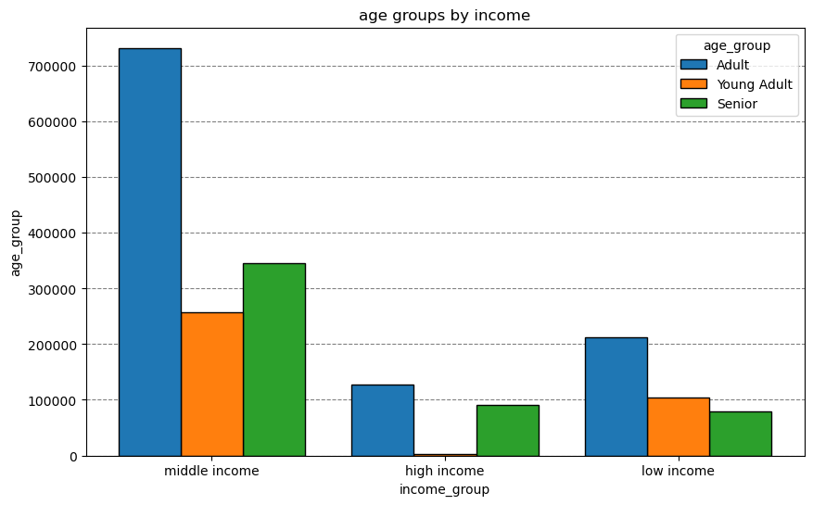
 |  |  | Title page

Visualisations

In this tab you should include all the visualtions from Exercises 4.9 and 4.10, alongside the questions from the project brief that they answer. Include any commentary on the relationship between different variables.


1 | Q: | When is the busiest time during the week?
 | A: | Saturday & Sundays are the busiest days during the week. Wednesday & Thursday are the least busiest days during the week.
 |  | Most orders are made between 8 am and 4 pm.
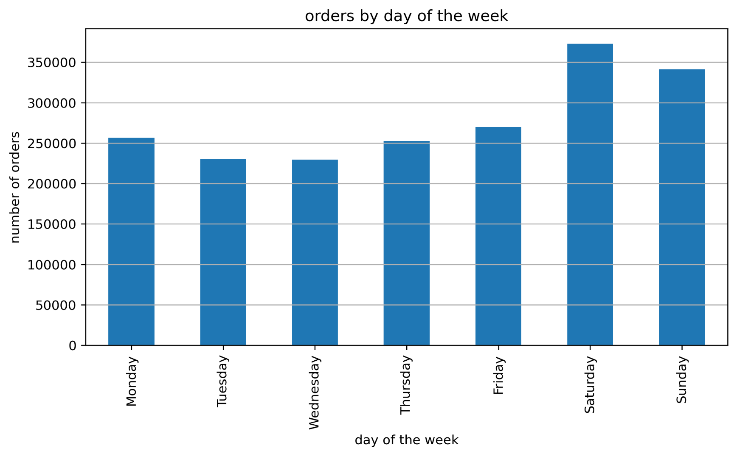

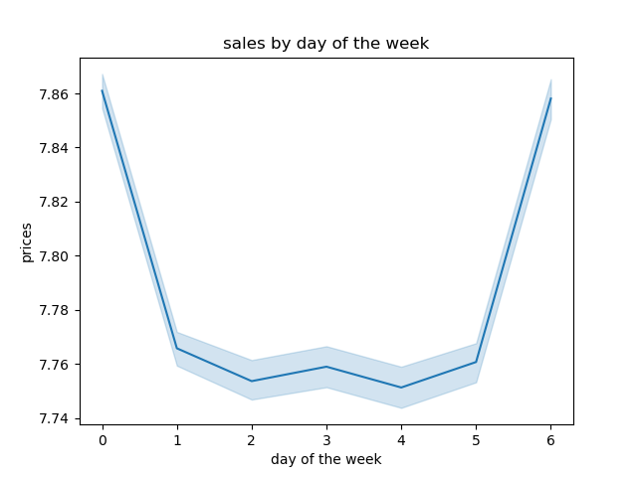
2 | Q: | What time of the day are customers spending the most money?
 | A: | Salesnumbers are higher during the morning. Keep in mind that most sales happen on weekends.
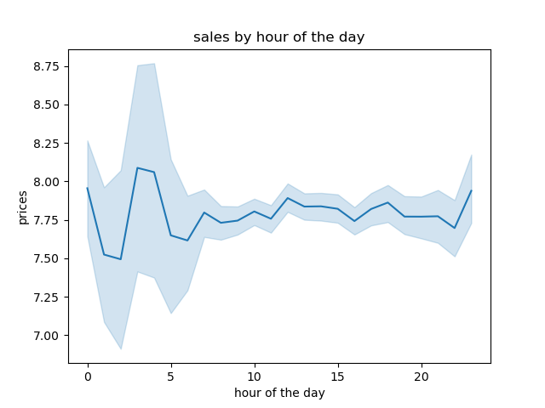
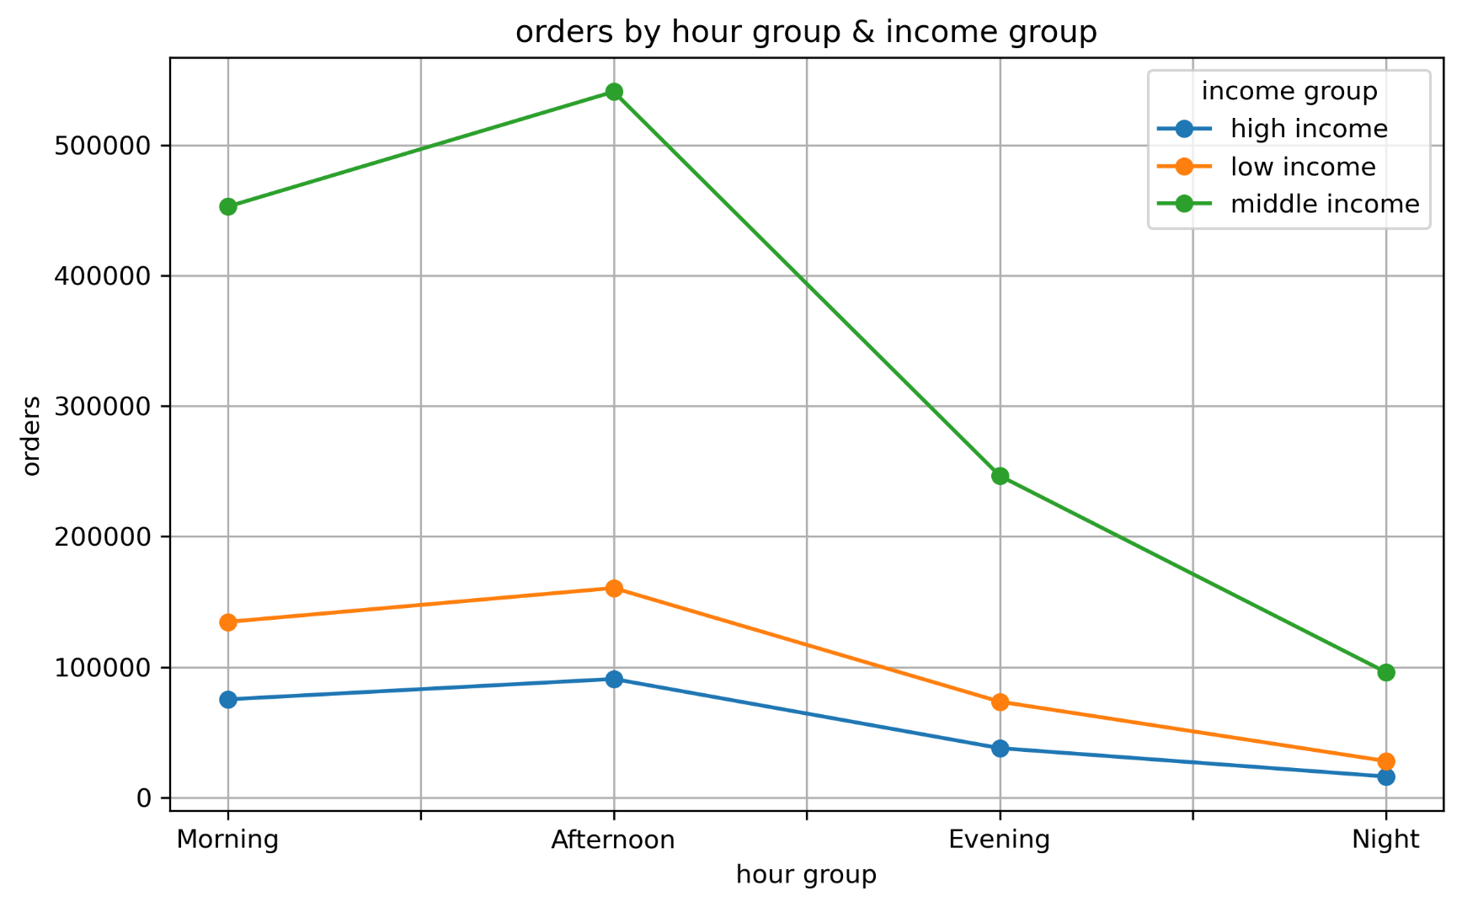

3 | Q: | Are there certain products that are more popular among the customers?
 | A: | produce' is the most popular product by far.
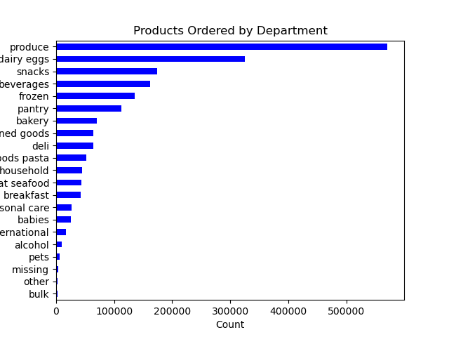

4 | Q: | What is the distribution among customers according to their loyalty?
 | A: | Regular and new customers contribute more to sales compared to loyal customers.
 |  | This kind or result is especially common on products that are bought once with a high lifespan.
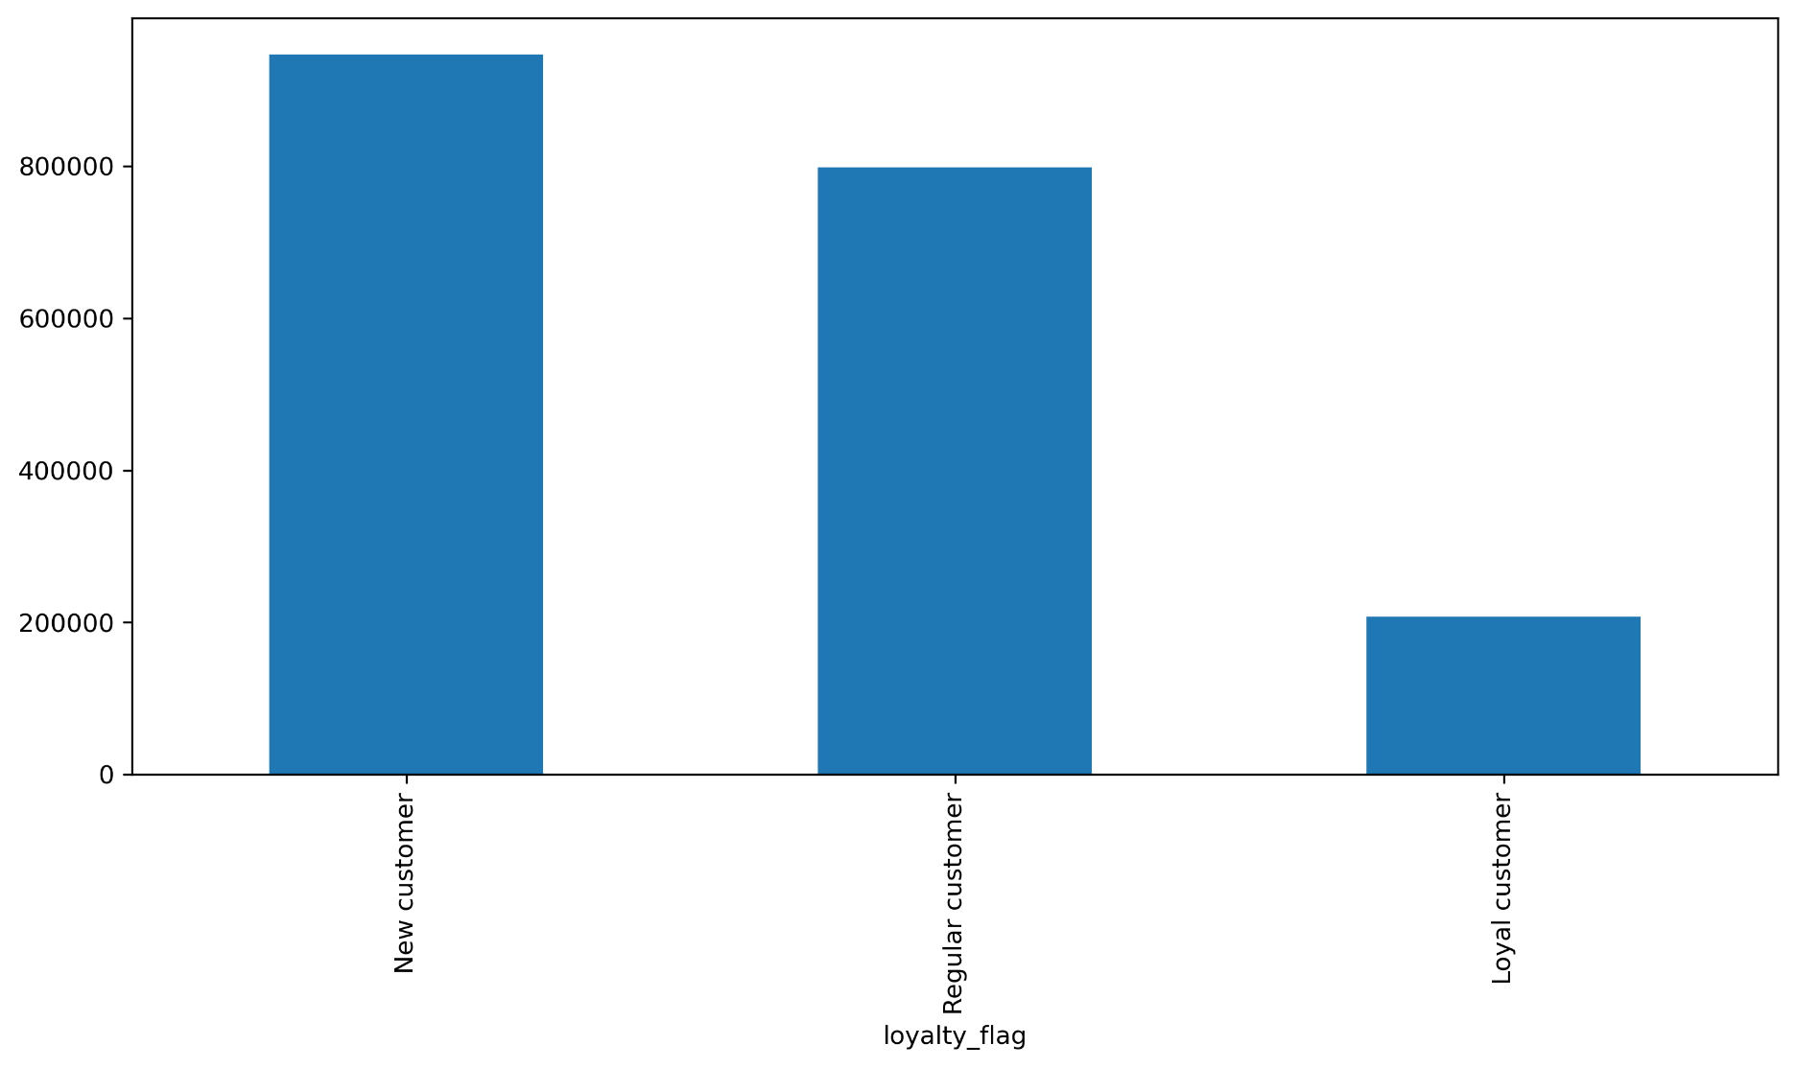

5 | Q: | Looking at the customer data, do certain groups have different spending habits?
 | A: | The customers income_group distribution shows that people with 'middle income' take up the majority of customers.
 |  | The data slao shows that most orders come during morning and afternoon.
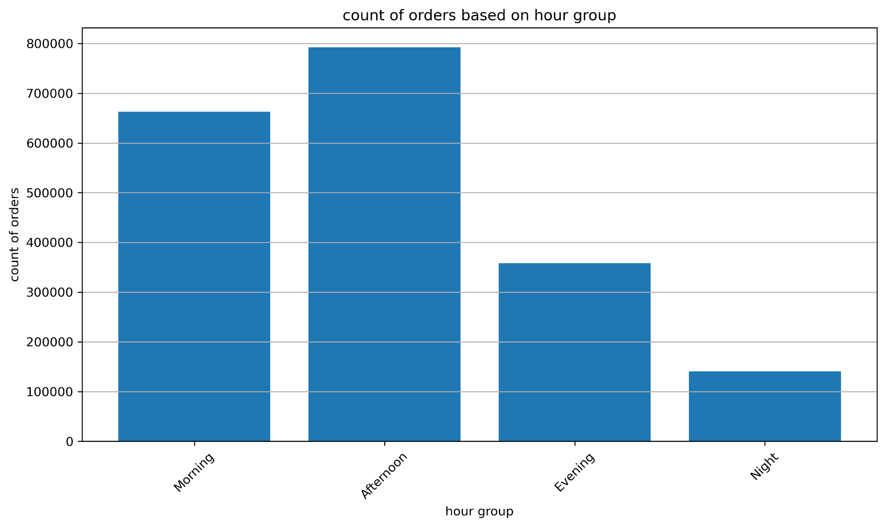
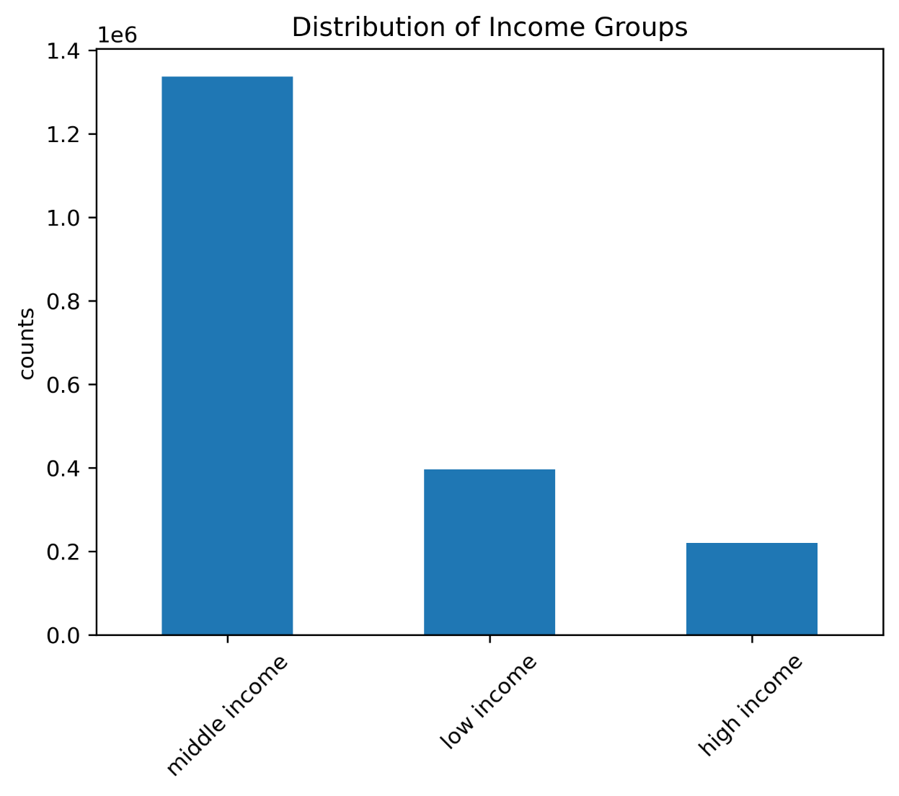

6 | Q: | Does the customer's region influence the order behavior?
 | A: | Most customer are from the southern region of America and the proportion of low and high spender is fairly the same.

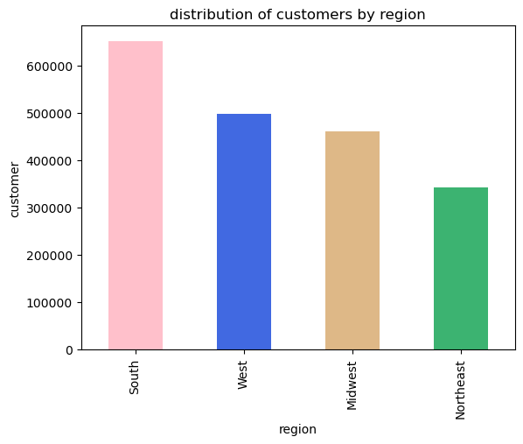
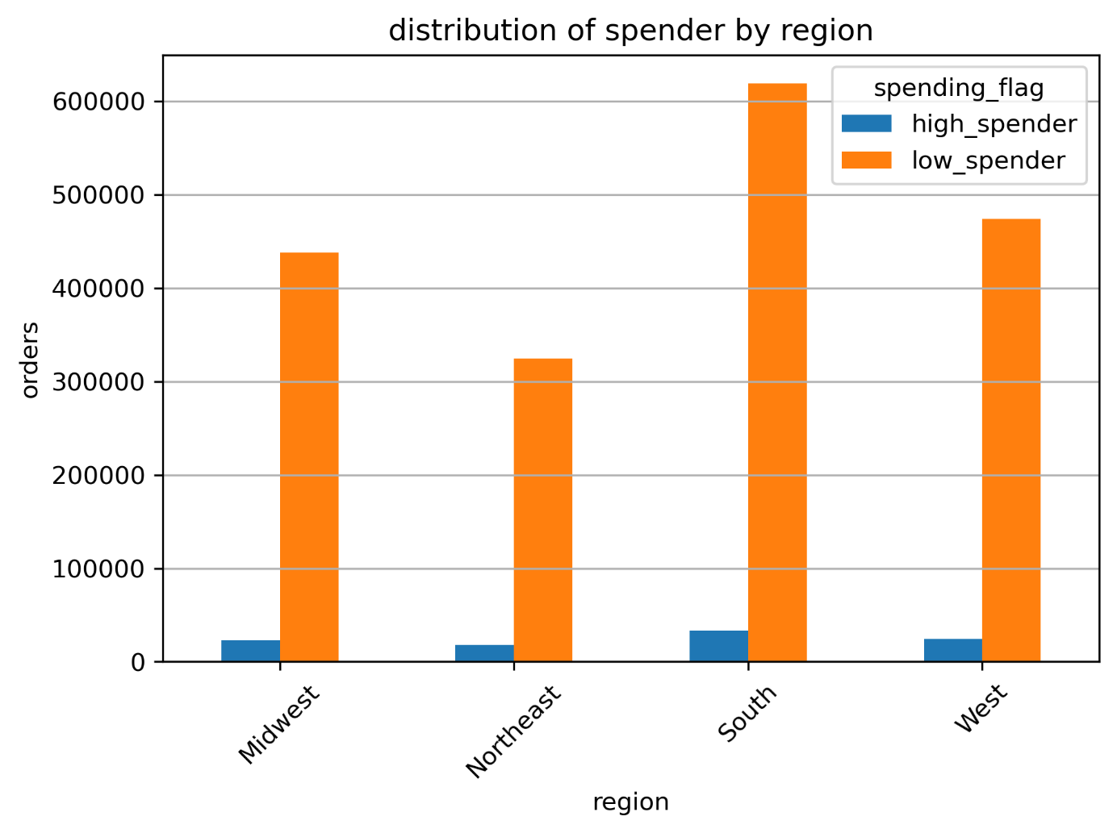

 |  | The majority of customers are adults between 30 and 65 years with a niddle income between 55000$/year and 150000$/year.

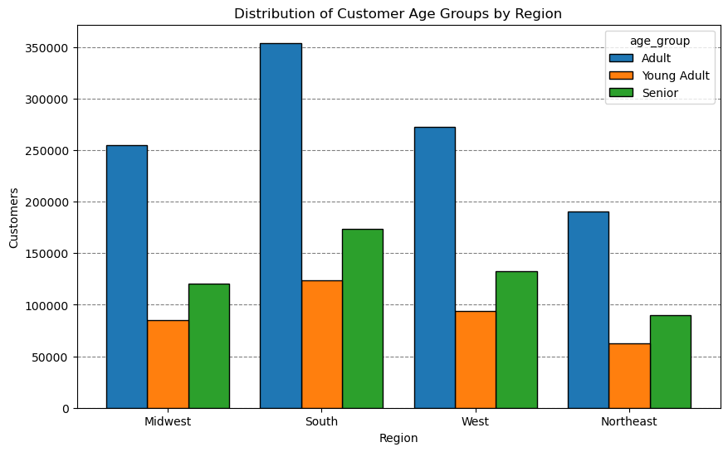
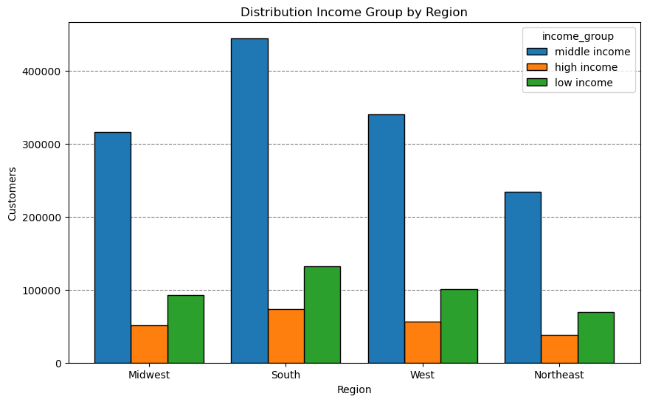

7 | Q: | What kind of product is most popular among the regions?
 | A: | produce' are highly demanded by all regions, followed by 'dairy eggs'

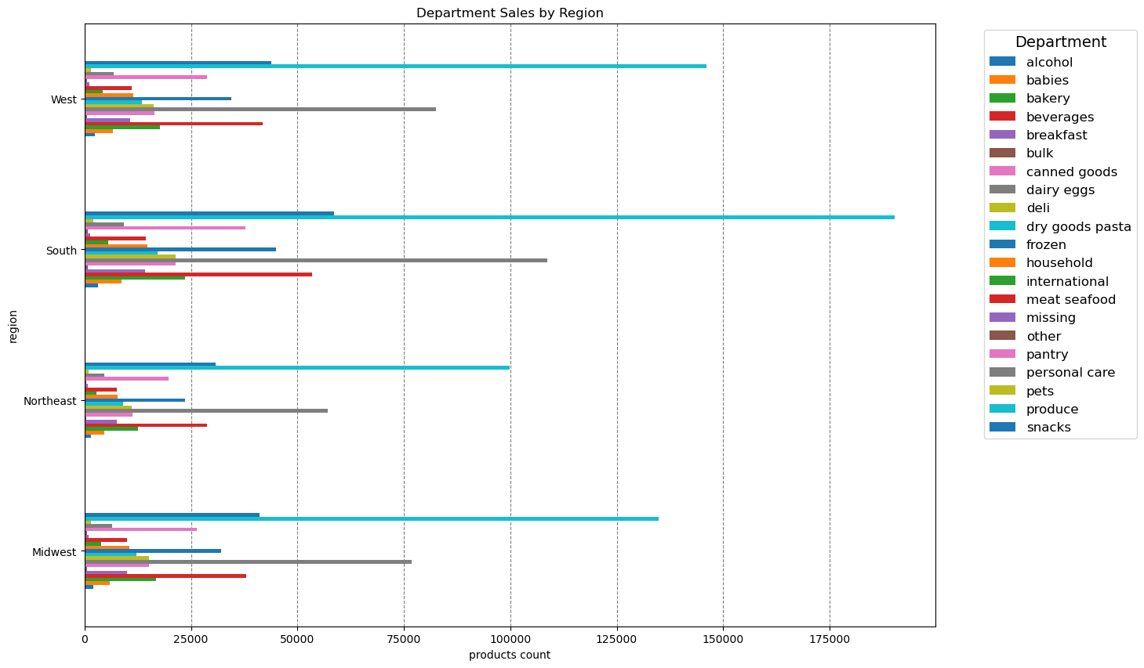

8 | Q: | What kind of demographic insights can you give on a customer-level ?
 | A: | Most customers are adults between 30 and 65 years. 25% of all customers are single households.
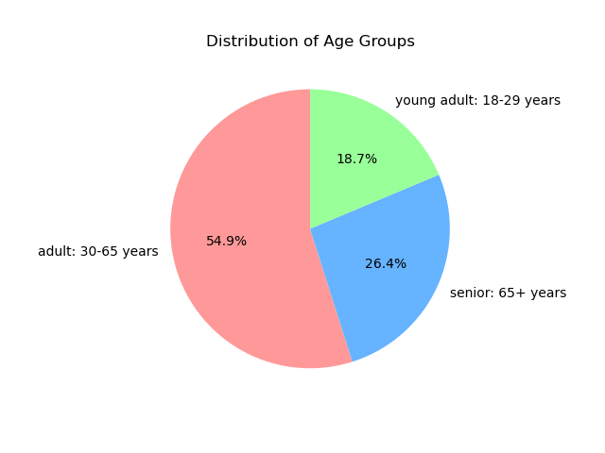
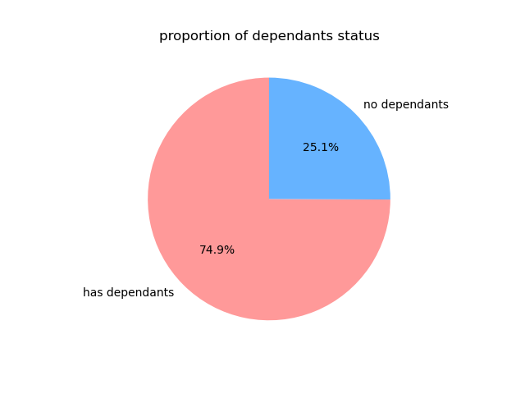

 | A: | Most customers are adults with middle income. Only young adults with middle or low income use instacart.

7. Recommendations
 |  |  | Title page

Recommendations

In this tab you should include any recommendations you would made to Instcart in terms of their marketing strategy based on the questions posed in the brief. Every key question has been covered in the Tasks of the Exercises - here you need to add an item - a visualisation or table/crosstable that is showing the answer in the data, acompanied by a comment from you. Please, list the questions below and add the answer underneath.

Maingoal = scaling (more customer, more orders and more sales)
Question | Answer & Recommendation | For marketing & sales team:
What is the busiest time during the day and during the week? | Saturdays & Sundays are the busiest days of the week, while Tuesdays and Wednesdays the least busy days during the week. On average the most orders are made between 8am and 4pm. Looking at the weekdays the number of orders rise during weekends by at least 30%. | For marketing purposes it is wise to show ads on weak selling days, such as Tuesdays and Wednesdays.
Is there a specific time when people spend more money? | Sales are much higher in the morning from 0 - 6am. Keep in mind that sales are not orders. Before the order becomes a sale there is still a purchase processing, which needs to be finished first. This could lead the a delay. Nevertheless it is still possible that people order stuff during nighttime. Also we need to consider that the difference in prices are only a few cents (ranging from 10-20 ct). | According to the data, the time when people spend their money does not have a crucial effect on the amount of money they spend. Therefore there is no really a recommendation I could give the team.
Are there any products more popular than others? | Yes, "produce" for instance is the leading product by far. Compared with the second highest ordered product "dairy eggs", "produce" is almost twice as popular. | Special offers and coupons can influence the purchase behavior of potential customers. Bulk orders or discounts on lesser sold items can increase sales.
How is the customer loyalty distributed among the customers? | Regular and new customers contribute more to sales compared to loyal customers. This kind or result is especially common on products that are bought once with a long lifespan, for example washing machines. | The sales team should focus on spreading ads across all sectors. Low prices and recommendation options can provide more to acquisition of new customers.
What can you say about spending habits, for instance orders by "income group"? | The majority of customers place orders during the morning or afternoon. Inspecting the total number of customers and grouping them into income-groups, data shows that customers with "middle income" (yearly 55000$ - 150000$) make up the most part of customers. | To increase sales, customizing ads for this certain group of people can connect people faster to the product. New customers can be acquired through low prices. By low prices I mean what "middle income" people consider as low prices, because this income-group might have a different perception for money. So ads should target mornings and afternoons when most "middle income" people are available.
Does the customer's region influence the order behavior? | Most customers come from the southern region of the US. The spending flag, which I used to group customers in high and low spender shows that more than 90% of customers are low spender. They spend on average less than 10$. | To increase sales, targeting the southern region could be beneficial. For more clarity additional analysis about population density can give insights, whether it is worth priotizing the southern region more than others.
What kind of products are most popular among the regions? | The proportion for the top 5 products are fairly the same across all regions. | Focussing on best selling products will lead to more efficient usage for marketing budgets.
What kind of demographic insights can you give on a customer-level? | Most customers are adults between 30 and 64 years and have dependents. | Customizing ads for family friendly or community friendly settings can draw more attention to the company. This could lead to a better reputation and legitimacy.

